Risk Evaluation
Safety In Design - Definitions |  |  |  |  | Safety In Design - Risk Magnitudes
Consequence and Likelihood Scales |  |  |  |  | The following requirements set out the level of participation in the organisation required for management of the risk outcomes
Identified risks are evaluated in terms of the severity of the consequence and the likelihood of an event should they occur. These definitions and score are shown below |  |  |  |  | LOW | Low Level risks can be accepted by the Project Manager
C = Consequences |  | Score | Description |  |  | In most cases risks at this level are unlikely to require further action to be undertaken . Where further action is required this is to be monitored by the Project Manger or appropriate delegated person
Minor |  | 1 | No Medical Treatment |  | MEDIUM | Medium level risks can be accepted by the Project Manager where the risk has been identified
Moderate |  | 2 | Minor injury requiring medical treatment but <1 week LTI, or |  |  | Where relevant solutions to reduce the risk level should be developed . These are to be monitored by the Project Director until completed
 |  |  | Reversible Disability |  | HIGH | High level risks must be brought to the attention of the client project manager
Major |  | 3 | Single fatality, or |  |  | All controlled risks assessed as high shall be discussed with the client to agree mitigation and reported to the stakeholders
 |  |  | Severe irreversible disability (>30%) to one or more persons |  |  | Where relevant solutions to reduce the risk level should be developed .These are to be monitored by the Project Manager/ Project Director until completed
Extreme |  | 4 | Multiple fatalities, or |  | EXTREME | Extreme level risks must be notified to senior levels in both Beca and the client
 |  |  | Significant irreversible disability to >10 persons |  |  | All controlled risks assessed as extreme shall be notified immediately to the senior management of all stakeholders
L = Likelihood |  | Score | Description |  |  | Where relevant solutions to reduce the risk level should be developed .These are to be monitored and reported monthly until completed
Rare |  | 1 | May only occur in exceptional circumstances
 |  |  | <1% probability during construction OR
 |  |  | Occurs less frequently than once every 50 years during operation
Unlikely |  | 2 | Could infrequently occur
 |  |  | 1-10% probability during construction OR
 |  |  | Occurs at least once per 10-50 years during operation
Possible |  | 3 | May occur at occasionally
 |  |  | 10-20% probability during construction OR
 |  |  | Occurs at least once per 5-10 years during operation
Likely |  | 4 | Will commonly occur in most circumstances
 |  |  | 20-50% probability during construction ,OR
 |  |  | Occurs at least once per 1-5 years during operation
Almost Certain |  | 5 | Is expected to occur in most circumstances
 |  |  | >50% probability during construction, OR
 |  |  | Occurs at least once every year during operation

LR = LEVELS OF RISK
The following matrix is then used to determine the appropriate magnitude for each risk
Likelihood (L) | Impact ( I )
 | Minor | Moderate | Major | Extreme
Almost Certain | MEDIUM | HIGH | VERY HIGH | VERY HIGH
Likely | LOW | HIGH | VERY HIGH | VERY HIGH
Possible | LOW | MEDIUM | HIGH | VERY HIGH
Unlikely | LOW | MEDIUM | MEDIUM | HIGH
Rare | LOW | LOW | MEDIUM | HIGH

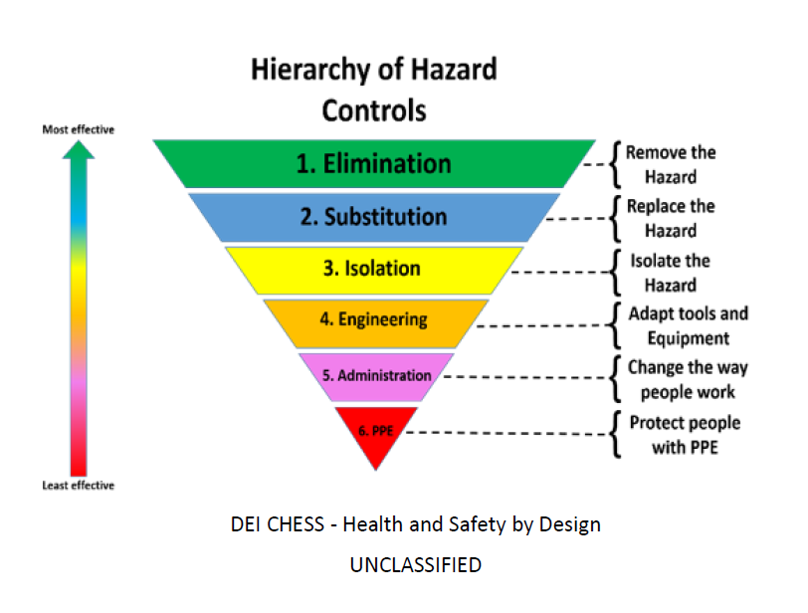
Hierarchy of Hazards - Controls
Controls | Details
Elimination | Elimination is the most effective control measure, it involves eliminating the hazard and its associated risk/s. If you cannot eliminate the hazard, eliminate as many of the associated risk/s.
Substitution (Minimisation) | Substitute the hazard with something safer. This may not remove all the hazards associated with the process or activity any may introduce different hazards, but the overall harm or health effects will be lessened.
Isolation (Minimisation) | Isolate the hazard by physically separating the source of harm from people by distance or barrier, including time barriers. For example, restrict contact with plant and equipment, reduce exposure time, lock hazardous chemicals away and only us them under strict conditions.
Engineering (Minimisation) | Look for technological solutions that reduce risk, e.g. use machines to do work that would be hazardous to humans, or use more modern plant with in-built safety features.
Administration (Minimisation) | Develop and document safe methods of work (safe work procedures, safe work method statements) and provide appropriate training, instruction and information to reduce the potential for harm.
PPE (Minimisation) | Personal protective equipment (PPE) reduces workers' exposure to the hazard. PPE includes saftey gloves, protective eyewear, earmuffs, hard hats, aprons, saftey footwear and dust masks.

